SI-RoadMap
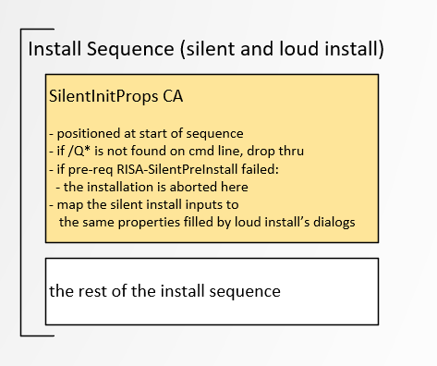
Installer Phases for Loud and Silent Install - how the parts fit together

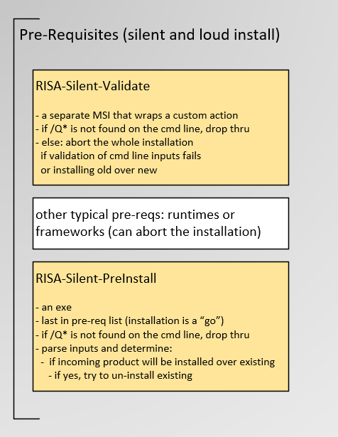

 |  | Gold boxes implement Silent install, detailed in this doc

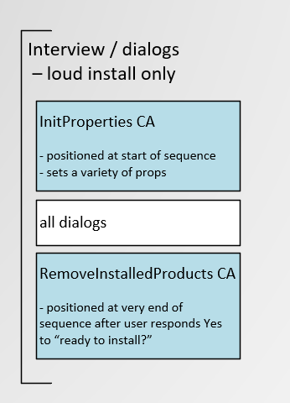

 | Blue boxes pertain to Loud Install, discussed in an earlier doc

 |  | (not a complete list of CA s)

Properties
The following properties are required for Silent Install

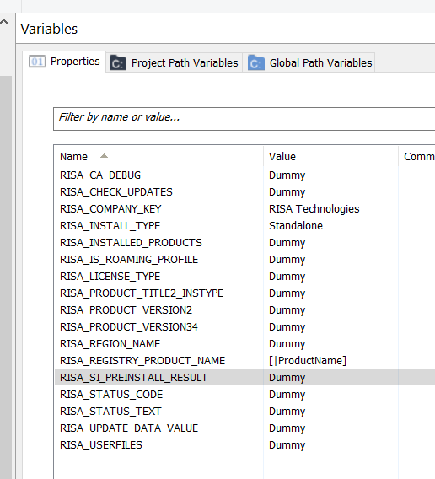

 | only if /Q* is specified on the command line:

 |  | RISA_SI_PREINSTALL_RESULT is used exclusively by Silent Install
 |  |  | to communicate between Silent-PreInstall (pre-req)
 |  |  |  | and Silent-InitProps CA

 |  | Many of the other properties are shared with loud install
 |  |  | their values are set in Silent-InitPropsCA

 | Sample project that integrates Silent Install:
 |  | C:\Advanced Installer\Projects\Common\Custom Actions\CA-Test-Installers
 |  |  | 3D-1901-Loud-and-Silent.aip

SiValidate
Silent-Validate is an odd animal.

 | It's a custom action in the main RISA_CustomActionsLib
 | However it has its own AI installer project that wraps this in an MSI.
 |  | Why? through trial and error I discovered that only a CA can abort the entire installation.

Your installer consumes this MSI as a pre-req.
 | It's likely you will need to build 1) the custom action lib, then 2) the Silent-Validate-PreReq.msi
 |  | the C# custom action is called SilentValidate(), in the RISA_CustomActionsLib (should you need to look at it)
 |  | the AI project that wraps and builds this is:
 |  |  | C:\Advanced Installer\Projects\Common\Custom Actions\Silent-PreReq-Installer\Silent-Validate-PreReq.aip

When the msi is built, you would include it in your main installer like so:

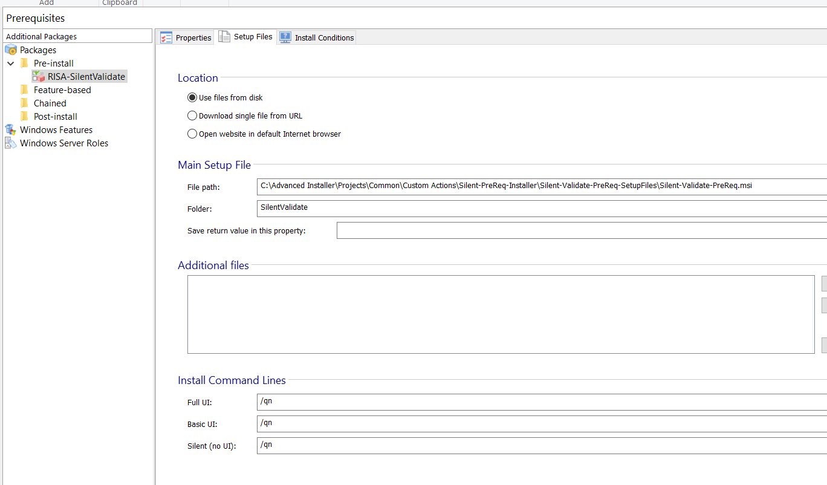

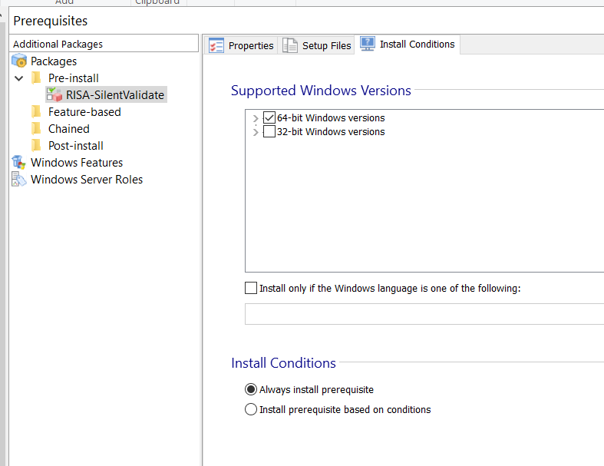

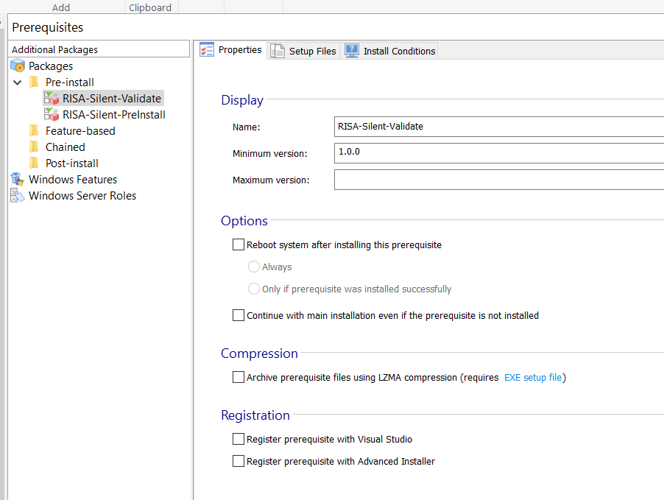

 |  |  |  | this is where the name that's displayed in the pre-reqs screen
 |  |  |  | can be tweaked if needed

SiPreInstall
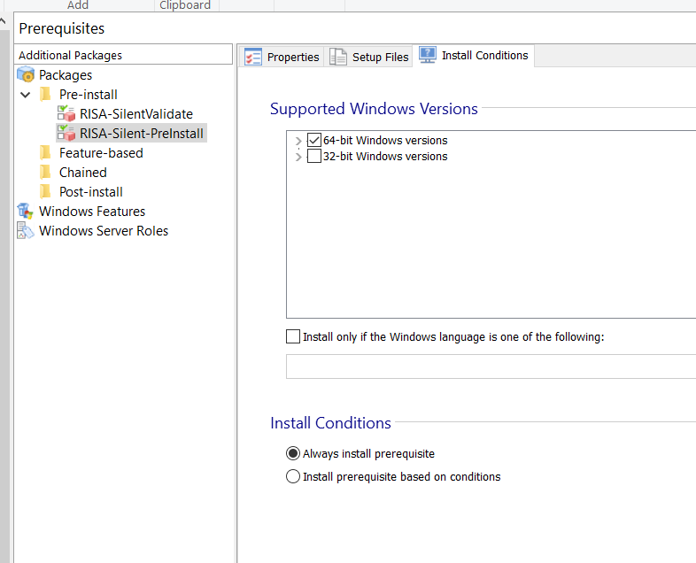
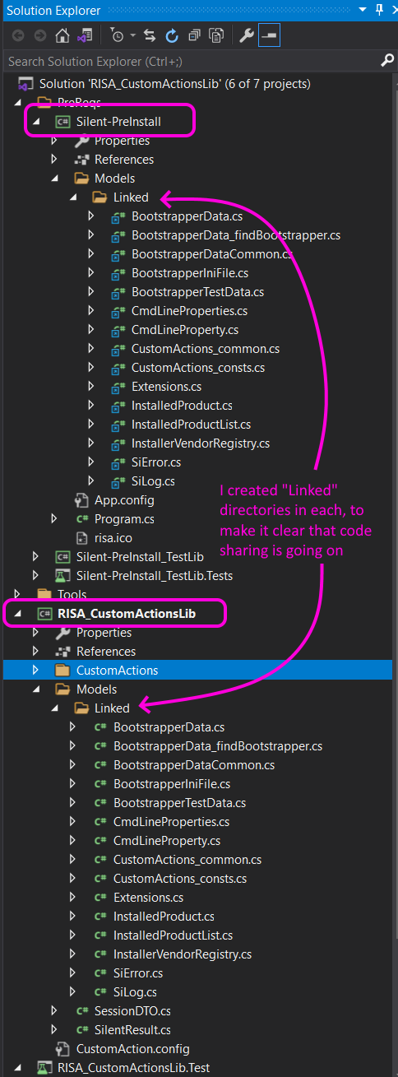
Silent PreInstall is an exe, whose only purpose is to clear the way for the installation that follows. |  |  |  |  | RISA_CustomActionsLib solution tree:
 | It figures out where the incoming product is going to be installed, and tries to remove any earlier version it finds in that directory.
 |  | This is why it's an exe (console app): only one msi can be running at a time

It's a console app that lives in the RISA_CustomActionsLib solution, as a separate project.
 | Although it's not a custom action, it shares much of the same source code
 |  | (this is the only project I've ever authored that uses the "Linked" feature, which faciliates this sharing)
 |  | I normally hate the whole idea of linking code across projects, but the worse alternative was duplication.

 |  | Linking in Visual Studio, via the "Add Existing" dialog:
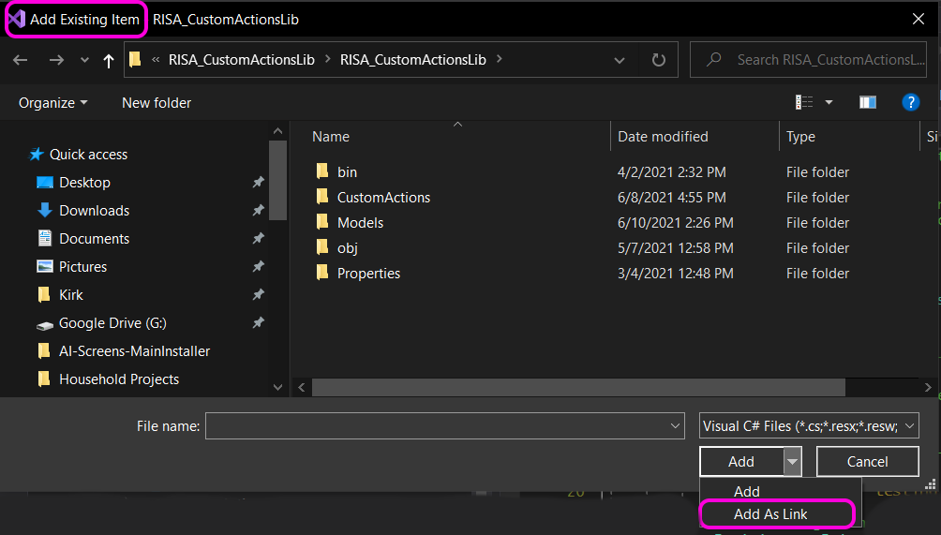

To use Silent-PreInstall, build the RISA_CustomActionsLib solution.

Define Silent-PreInstall to the main installer project, like so:
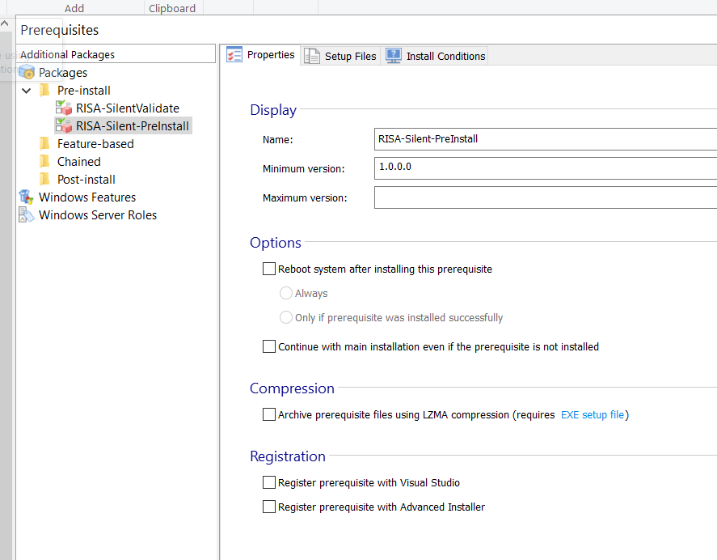

 |  |  | tweak the name
 |  |  | here if you wish

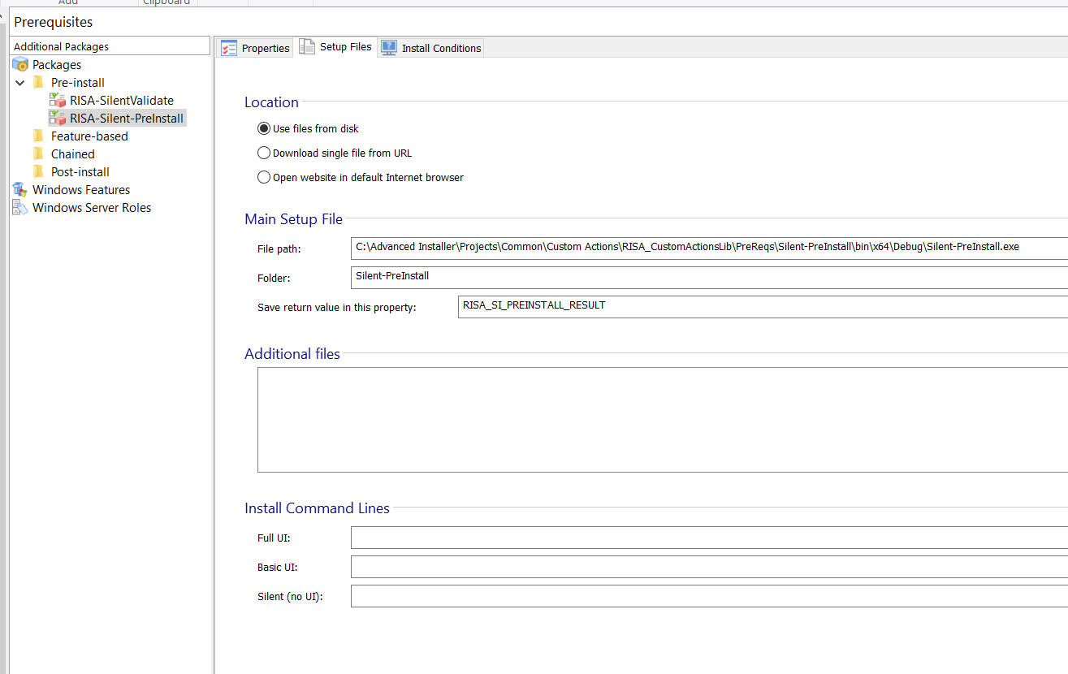

 |  |  |  | AI takes a pre-req exe whose entry point is declared
 |  |  |  |  | static int Main(args)

 |  |  |  | and places the int return value in RISA_SI_PREINSTALL_RESULT, a string

 |  |  |  | The return value actually looked at by MSI, which regards any value other than zero as failure.
 |  |  |  |  | And so the exe returns 0 on success

 |  |  |  | Note that: even if MSI detects failure, the rest of the installation proceeds.
 |  |  |  |  | This is why SiPreInstall posts status to RISA_SI_PREINSTALL_RESULT,
 |  |  |  |  |  | so that code downstream can read it, and abort the installer on SiPreInstall's behalf.
 |  |  |  |  |  |  | I wish it were easier, without the coupling.

SiInitProps
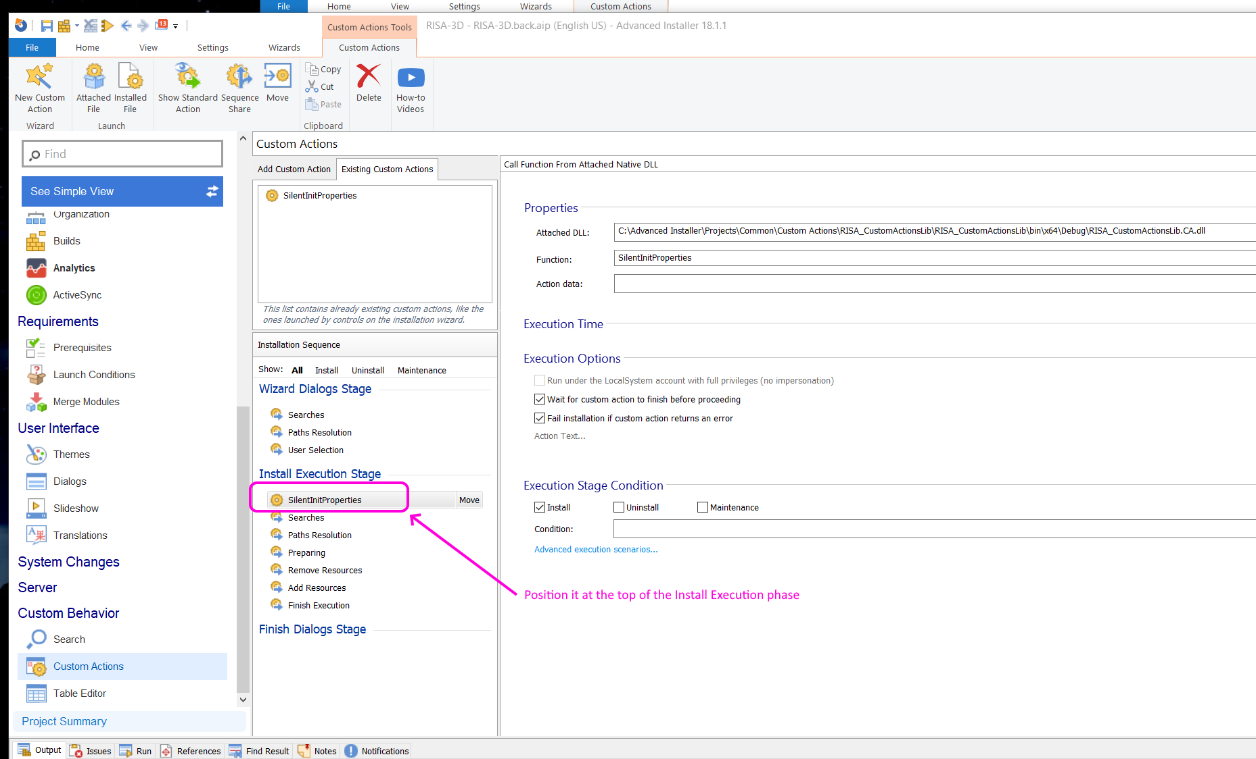
SilentInitProps is a CA in the RISA_CustomActionsLib
 | It looks at property RISA_SI_PREINSTALL_RESULT set by the Silent-PreInstall exe, and aborts the installation if
 |  | property isn't defined
 |  | is something other than "0"
 | Again, this only occurs if /Q* is expressed on the command line; this CA drops thru during Loud Install

Configure SilentInitProps in the main installer like so:

